Type - Green Walls
June 2020 Edition - IGNITION NBS evidence base
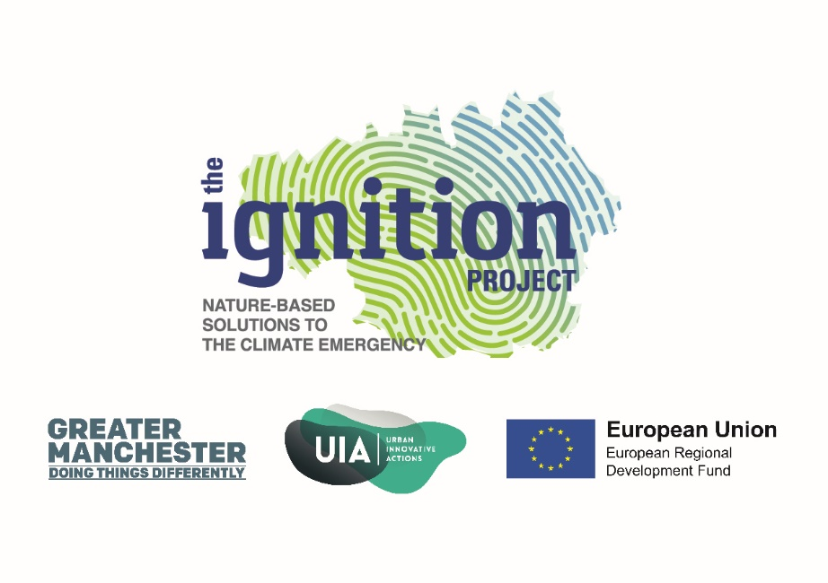

NBS Type | Green walls | Vegetation growing on or against a vertical surface (Staffordshire University Green Wall Centre).
Alternative terms or sub-terms: Green walls can be split into a variety of different classifications including 'green façades', where climbing plants are grown up or hang down from the bottom or top of a building, and 'living walls' where vegetation is actually planted into the structure of the wall itself using a modular or mat structure. | Green façades | Traditional ivy or other climbing plans and vines. Can include a trellis, frames, cables, ropes and meshes to support the climbers. Self-attaching climber utilises the substrate of the façade for support and sometimes nutrition.
 | Bio-responsive/Bio reactor façade | Glass panelled photo-bioreactors containing a growing medium of micro-algae. Closed loop system. Fully integrated with the building services. Generates renewable energy from algal biomass and solar thermal heat.
 | Living wall | Living walls are created by attaching growing media to the vertical wall, and this relatively new technique is classified as ‘continuous living walls’ or ‘modular living walls’. Constructed with planter boxes or felt; these do not require the plants to be climbing, they often need to be irrigated. Plants for intensive green roofs are frequently suitable for these systems. The greenery is often planted in a growth medium consisting of soil, stone, or water.The walls have living plants in them, so they usually feature built-in irrigation systems.
 | Living walls: Vegetated mats and felt systems | A subset of living walls - built using mat or felt systems which provides pockets for plug plants to be grown through. Felt fabric based pocket green wallsystem.
 | Living walls: Modular | A subset of living walls - These often consist of modules fixed against a wall that contain soil or media for the plants to grow in. These often require irrigation systems and may need professional installation and maintenance.
 | Vertical greening system | Structures that allow vegetation to spread over a building facade or interior wall.
 | Hydroponic green walls | Another name for a living wall. In a hydroponic system, an inert growing medium is provided to which the plants physically anchor, such as a horticultural foam, a mineral fibre or a felt mat. These materials can act as a water retentive sponge, although the more they soak up the heavier the system becomes. The hydroponic system means that there is no structural decay of the growing medium, no salt build up from fertilisers and nutrients are supplied in a precise and controlled manner.
 | Green screen | Thin grid or mesh generally covered with a densly woven climber such as ivy. Also referred to as green hoardings.
 | Hedges | A row of bushes or small trees, usually along the edge of a garden, field, or road.

Evidence Profile
June 2020 Edition - IGNITION NBS evidence base

No. of evidence items per benefit for green walls
Benefit | No. of evidence items | Evidence item % | No. of evidence sources
Air quality | 26 | 14% | 16
Carbon | 7 | 4% | 3
Water quantity | 5 | 3% | 2
Water quality | 18 | 9% | 4
Temperature | 45 | 23% | 20
Energy use | 28 | 15% | 18
Health and wellbeing | 14 | 7% | 12
Noise | 10 | 5% | 8
Land and property value | 11 | 6% | 9
Amenity | 2 | 1% | 2
Biodiversity | 14 | 7% | 9
Local economic growth | 12 | 6% | 8
Total | 192 |  | 111

