Type - Urban Green Space
June 2020 Edition - IGNITION NBS evidence base
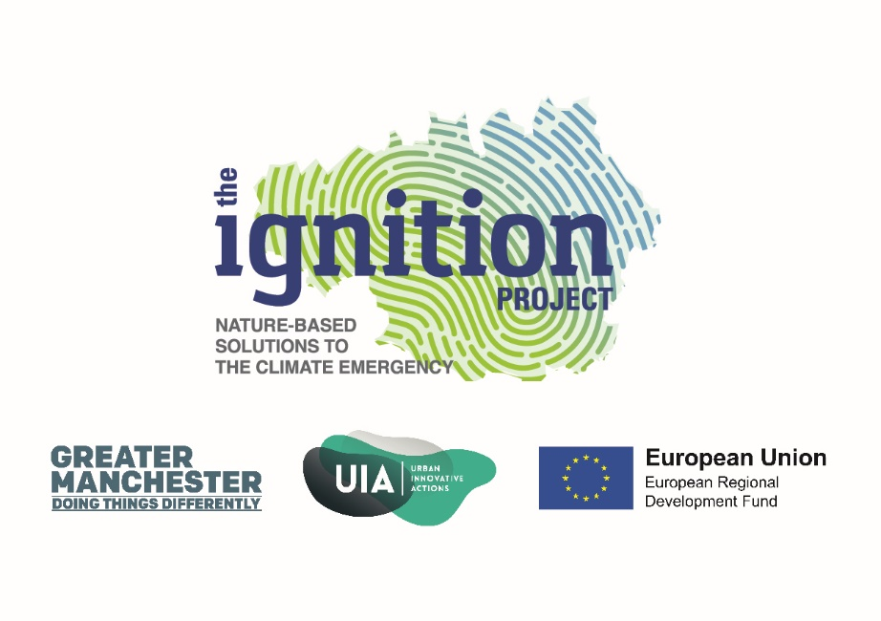
NBS Type | Urban green space | Areas that are naturally or artificially covered with vegetation (e.g. grass, bushes or trees), where water can permeate through the soil and vegetation. Can range from playing fields to highly maintained environments to relatively natural landscapes. Generally unsealed permeable soft surfaces (e.g soil, grass, parks, etc).
Alternative terms | Urban parks
 | Urban green vegetation
 | Roadside green verges
 | Urban green cover
 | Amenity grassland and sport pitches
 | Urban herbaceous vegetation
 | Urban vegetated institutional land

Evidence Profile
June 2020 Edition - IGNITION NBS evidence base

No. of evidence items per benefit for green SPACES
Benefit | No. of evidence items | Evidence item % | No. of evidence sources
Air quality | 29 | 9% | 13
Carbon | 40 | 13% | 12
Water quantity | 22 | 7% | 4
Water quality | 19 | 6% | 7
Temperature | 24 | 8% | 17
Energy use | 17 | 5% | 5
Health and wellbeing | 77 | 24% | 52
Noise | 9 | 3% | 7
Land and property value | 33 | 10% | 14
Amenity | 29 | 9% | 20
Biodiversity | 11 | 3% | 5
Local economic growth | 7 | 2% | 7
Total | 317 |  | 163

Summary
June 2020 Edition - IGNITION NBS evidence base

Benefit | No. of evidence sources | Description | Summary findings | Unit | Comments | *Based only on one study | Last updated June 2020
Air quality | 13 | Nitrogen Dioxide (NO2) | 2.6%* | Avg. % reduction in ambient concentration of NO2 50m inside a park | Based only on one study. Other studies are available in the database. Rises to 10% 100m inside the park
 |  | Sulpher Dioxide (SO2) | 5.30% | Avg. % reduction in ambient concentration of SO2 50m inside a park | Based only on one study. Other studies are available in the database. Rise to 15% 100m inside the park.
 |  | Particulate Matter (PM10) | 9.1%* | % reduction in ambient concentration of PM10 50m inside a park | Based only on 1 study. Other studies are available in the database. Rises to 30% 100m inside the park
 |  |  | 1.45* [Rng 0.82-2.05] | Avg. PM10 captured g m2 yr | Based only on 1 study but a range of different urban vegetation types from gardens, to tall and short shrubs and herbaceous vegetation
Carbon | 12 | Carbon sequestration | 0.2 [Rng. 0.09 - 0.41] | Avg. C sequestered kg yr m2 | Good range of studies on a range of urban green space types. One high outlier not included.
 |  | Above ground carbon storage | 1.01 [Rng. 0.1 - 3.16] | Avg. C stored kg m2
 |  | Below ground carbon storage | 5.9 (Rng. 1.4 - 7.7) | Avg. C stored kg m2
Water quantity | 4 | Runoff retention | 6.8 l m2 [Rng. 6 - 8] | Avg. runoff from green spaces l m2 for per 10mm rainfall event | Based only on two studies. For comparison runoff from built up land for a 40L storm event would be 34.3 L/m2 / hour.
 |  |  | 3.36 l m2 [Rng. 0.6-4.8] | Avg. runoff from green spaces l m2 for per hour 40mm rainfall event
 |  |  | 84.2% [Rng. 74-90%] | Avg. % Rainwater runoff retention for urban green spaces | The summary figures reported here are based on two studies, other studies are available in the database.
 |  | Infiltration rate | 30% [Rng. 18 - 35%] | Avg. % annual rainfall infiltrated | Based on one study. For comparison % annual rainfall retained for built up land was 6%.
Water quality | 7 | All pollutants | 85%* | % reduction in all pollutant concentrations | The summary figures reported here are based one study, a meta-analysis, other studies are available in the database.
 |  | Suspended sediments | 42 - 100% [Mid point 71%] | % reduction in total suspended sediment concentrations | Good range of studies but covers urban buffer strips and grass verges rather than generic urban green space.
 |  | Phosphorous | 22 - 95% [Mid point 58.5%] | % reduction in total soluble Phosphorous concentrations
 |  | Nitrates | 31 - 100% [Mid point 65.5%] | % reduction in total soluble nitrate concentrations
Temperature | 17 | Air temperature | 2.7oC (Rng. 0.5 - 7oC) | Avg. air temperature reductions daytime °C | Many of the evidence sources have looked at the cooling effect of large parks.
 |  | Nightime temperature | 1.2oC* | Avg. air temperature reductions nighttime °C | Based only on one study.
Energy use | 5 | Annual cooling savings | Data potentially not usable in the UK context | kWH per day | These studies reflect the benefits for the subtropical climate of Beijing no UK or European studies were included in the evidence base and therefore these findngs should be used with caution
 |  |  | 10-17% (Mid point 13.5%) | % Seasonal cooling-energy savings per day
Health and well-being | 52 | Mental health | Not possible to summarise | Not possible to summarise | A large number of quantiative and qualitative studies which were not sutainable for synthesis in this format
 |  | Physical health | Not possible to summarise | Not possible to summarise
Noise attenuation | 7 | Sound reduction | 4dB | Decibles reduction per m2 | The summary figures reported here are based on two studies, other studies are available in the database.
Land and property value | 14 | Direct or close proximity to a park or green space | 9.5% (Rng 2.6 - 20%) | Avg. % uplift in property value | Range of studies from the UK and the Netherlands. All reference direct or very close proximity to a park or green space nearby.
 |  | Between 100-600m from a green space or park | 3.1% (Rng. 0.5 - 8%) | Avg. % uplift in property value | Studies largely from the UK including the office of national statistics, at a range of distances from parks and greenspaces up to 600m.
 |  | Every 100m closer to a green space | 1% | % increase in property value every 100m closer to a green space | The summary figures reported here are based on one study, other studies are available in the database.
 |  | Rent | 7%* | % uplift in rent | The summary figures reported here are based on one US study, other studies are available in the database.
Biodiversity | 5 | Biodiversity | Not possible to summarise | n/a | A large body of quantitative and qualitative evidence is available on the benefits of green spaces for urban biodiversity which is notsuitable to quantitative synthesis in this format.
Amenity | 20 | Quality of life | 85%* | % of people consider that the quality of public space and the built environment has a direct impact on their lives and on the way they feel | The summary figures reported here are based on one study, other studies are available in the database.
 |  | Crime rates | 56%* | % reduction in violent crimes associated with higher levels of greenness
 |  |  | 48%* | % reduction in property crimes associated with higher levels of greenness
Local economic growth | 7 | Willingness to pay more for goods and services | 10%* | % Increase in WTP for products associated with high green cover | The summary figures reported here are based only a few studies, other studies are available in the database.
 |  | Park visitor spend | 50%* | % park visitors also visit a local business before or after visiting the park.
 |  | Commercial trading rates | 40%* | % increase in commercial trading rates after investment in well planned green space

